Sheet1
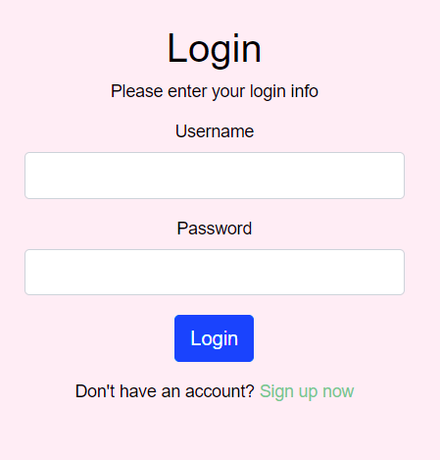

Navigates to Employee Personal Information Page after successful login

NOTE: If login fails, a message appears and allows them to try again.

Navigates to the employee info page
Navigates to the grievance reporting page
NAVIGATION BAR
Navigates to the time-off request page

 |  | Personal | Payroll | TO Request | Grievances | Holidays |  | Logout

Navigates to the employee payroll and time information page
Navigates to the company holiday schedule
Logs employee out and Navigates to the Login

Gray fill indicates that it is the current page

 |  | Personal | Payroll | TO Request | Grievances | Holidays |  | Logout

 |  |  | Employee ID : | 39109263 |  | Date of Birth : | 1998-09-22
 |  |  | Full Name : | Jordan Smith |  | SSN : | xxx-xx-3478

 |  |  | Address: | 800 University Way |  |  | Spartanburg
 |  |  |  | street |  |  | city

 |  |  |  | 29681 |  | SC
 |  |  |  | zip |  | state

 |  |  | Phone : | 864-555-5555
 |  |  | Email : | jsmith@gmail.com

 |  |  | Postion : | Developer
 |  |  | Department : | IT

 |  | Personal | Payroll | TO Request | Grievances | Holidays |  | Logout

 |  |  | Employee ID : | 39109263 |  | Full Name : | Jordan Smith

 |  |  | Period 09/05 - 09/18
 |  |  | Hours : | 83

 |  |  | Amount : | #hours * (salary/2080)

 |  |  | PTO accrued : | 34 | hours
 |  |  | UPTO alotted: | 16 | hours

 |  | Personal | Payroll | TO Request | Grievance | Holidays |  | Logout

Employee provides the dates, selects if they want to use PTO or UPTO then selects submit
 |  |  |  |  | Time Off Request

 |  |  |  | Employees enters the requested dates. |  |  |  | Paid

 |  |  |  |  |  |  |  | Unpaid

Employee selects Paid if they want to use PTO or Unpaid if they want to use UPTO

 |  |  |  |  | Submit

 |  | Personal | Payroll | TO Request | Grievance | Holidays |  | Logout

 |  |  |  |  | Grievance
Employee types message above and then selects submit to save to the datbase
 |  |  |  | Employees message is typed in here.

 |  |  |  |  | Submit

 |  | Personal | Payroll | TO Request | Grievance | Holidays |  | Logout

 |  |  | Sept. 5 | Labor Day
 |  |  | Oct. 13-14 | Fall Break
 |  |  | Nov. 8 | General Election Day
 |  |  | Nov. 23-25 | Thanksgiving break
 |  |  | Dec. 24-26 | Winter Break
 |  |  | Dec. 31 | New Years Eve

 | ADMIN VIEW

Gray fill indicates that it is the current page

 |  | Personal | Payroll | TO Request | Grievances | Holidays |  | Logout

 |  |  | Employee ID : | 39109263 |  | Date of Birth : | 1998-09-22
 |  |  | Full Name : | Jordan Smith |  | SSN : | xxx-xx-3478

 |  |  | Address: | 800 University Way |  |  | Spartanburg
 |  |  |  | street |  |  | city

 |  |  |  | 29681 |  | SC
 |  |  |  | zip |  | state

 |  |  | Phone : | 864-555-5555
 |  |  | Email : | jsmith@gmail.com

 |  |  | Postion : | Developer
 |  |  | Department : | IT |  |  |  | SAVE

 |  | Personal | Payroll | TO Request | Grievances | Holidays |  | Logout

 |  | Personal | Payroll | TO Request | Grievance | Holidays |  | Logout

 |  | Personal | Payroll | TO Request | Grievance | Holidays |  | Logout

